Sheet1
QUALITY SWEATER COMPANY

Inputs: |  |  | a.) Data Table:
Costs: |  |  | Response Rate: | Profit:
Printing: | $20,000.00 |  |  | $17,700
Variable |  |  | 3.00% | -$21,600 | =(E6 * $B$13 * $B$18) - ($B$5 + ($B$7 + $B$8) * $B$13 + ($B$9 + $B$10) * (E6 * $B$13))
Printing: | $0.10 | per catalog | 3.50% | -$17,700 | =(E7 * $B$13 * $B$18) - ($B$5 + ($B$7 + $B$8) * $B$13 + ($B$9 + $B$10) * (E7 * $B$13))
Mailing: | $0.15 | per catalog | 4.00% | -$13,800 | =(E8 * $B$13 * $B$18) - ($B$5 + ($B$7 + $B$8) * $B$13 + ($B$9 + $B$10) * (E8 * $B$13))
Reply Envelopes: | $0.20 | per order | 4.50% | -$9,900 | =(E9 * $B$13 * $B$18) - ($B$5 + ($B$7 + $B$8) * $B$13 + ($B$9 + $B$10) * (E9 * $B$13))
Labor & Material: | $32.00 | per order | 5.00% | -$6,000 | =(E10 * $B$13 * $B$18) - ($B$5 + ($B$7 + $B$8) * $B$13 + ($B$9 + $B$10) * (E10 * $B$13))
Total Costs: | $157,700 | =B5+(B7+B8)*B13+(B9+B10)*B15 | 5.50% | -$2,100 | =(E11 * $B$13 * $B$18) - ($B$5 + ($B$7 + $B$8) * $B$13 + ($B$9 + $B$10) * (E11 * $B$13))
 |  |  | 6.00% | $1,800 | =(E12 * $B$13 * $B$18) - ($B$5 + ($B$7 + $B$8) * $B$13 + ($B$9 + $B$10) * (E12 * $B$13))
Catalogs Orders: | 100,000 |  | 6.50% | $5,700 | =(E13 * $B$13 * $B$18) - ($B$5 + ($B$7 + $B$8) * $B$13 + ($B$9 + $B$10) * (E13 * $B$13))
Response Rate: | 3.5% | <--dummy value | 7.00% | $9,600 | =(E14 * $B$13 * $B$18) - ($B$5 + ($B$7 + $B$8) * $B$13 + ($B$9 + $B$10) * (E14 * $B$13))
Total Orders: | 3500 | =B14*B13 | 7.50% | $13,500 | =(E15 * $B$13 * $B$18) - ($B$5 + ($B$7 + $B$8) * $B$13 + ($B$9 + $B$10) * (E15 * $B$13))
 |  |  | 8.00% | $17,400 | =(E16 * $B$13 * $B$18) - ($B$5 + ($B$7 + $B$8) * $B$13 + ($B$9 + $B$10) * (E16 * $B$13))
Revenue:
Average Customer Order: | $40.00
Total revenue: | $140,000 | =B18*B15
Total profit: | $17,700 | =B11-B19

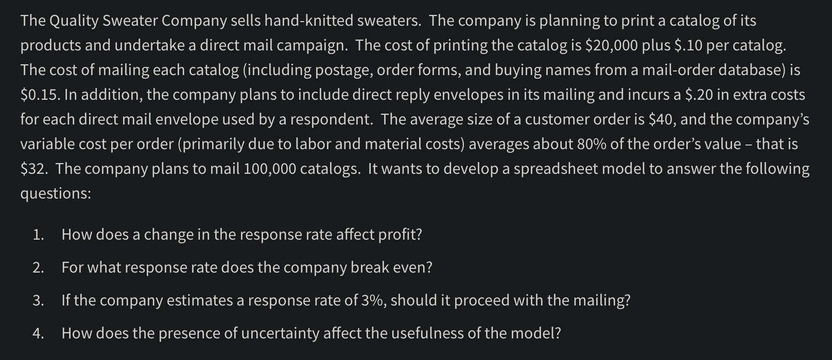
Profit: vs Response Rate:

